Architecture Diagram
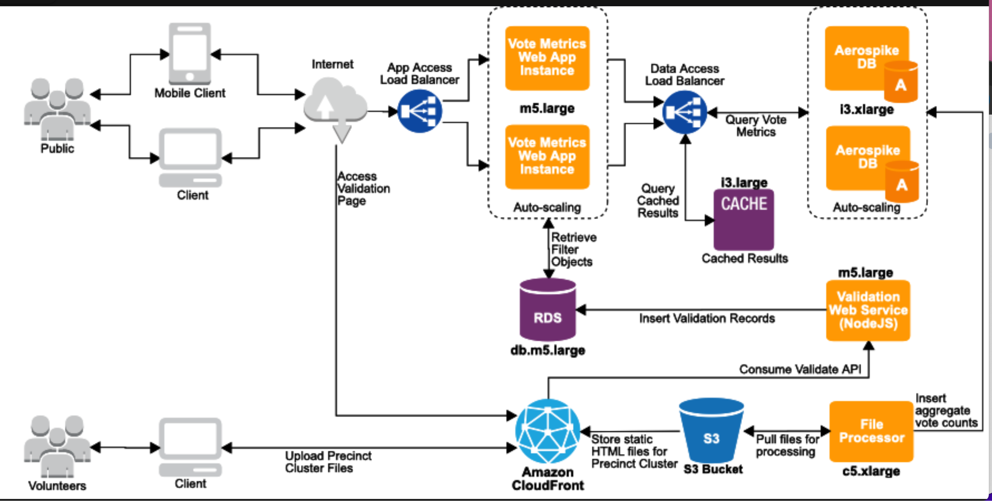

Architecture Revamp
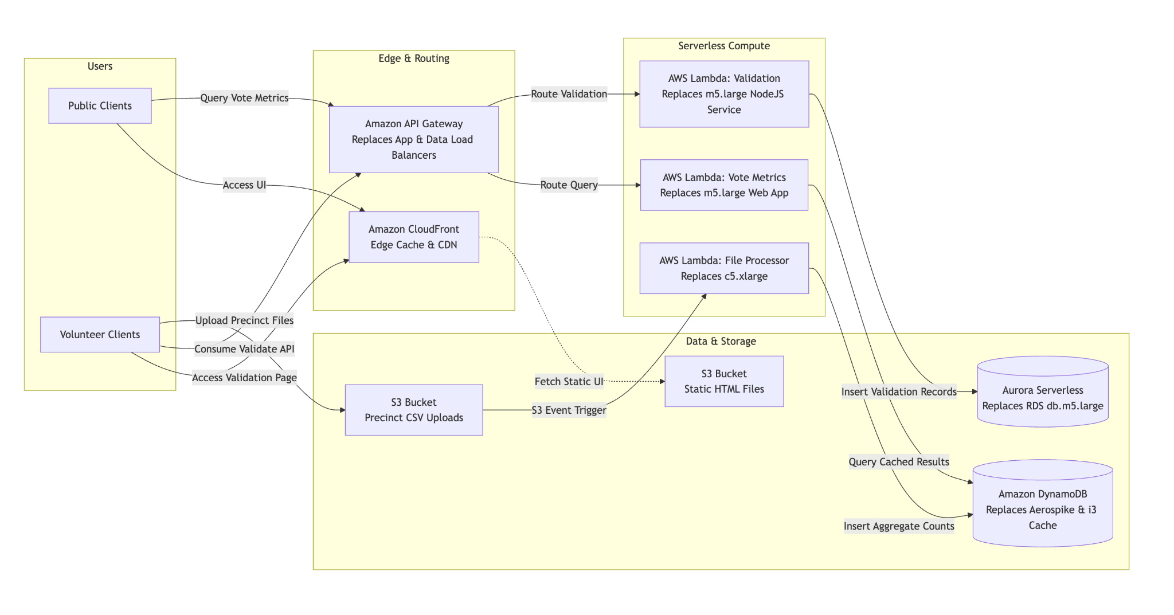

check size for Aurora (max)
check App Sync for time to process
check API gateway 29 seconds
check AI Models if applicable
AI Cost
check AWS Glue
add rate limit for public facing

Architecture Revamp (Glue)
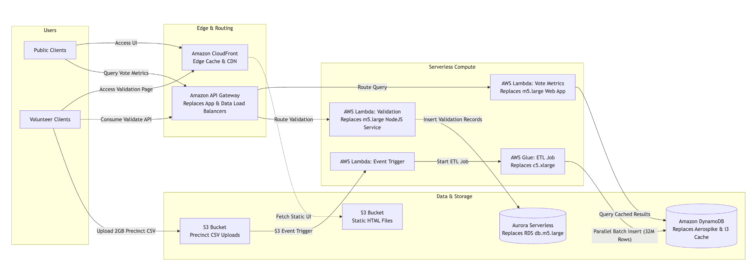

check size for Aurora (max)
check App Sync for time to process
check API gateway 29 seconds
check AI Models if applicable
AI Cost
check AWS Glue
add rate limit for public facing

